Sayfa1
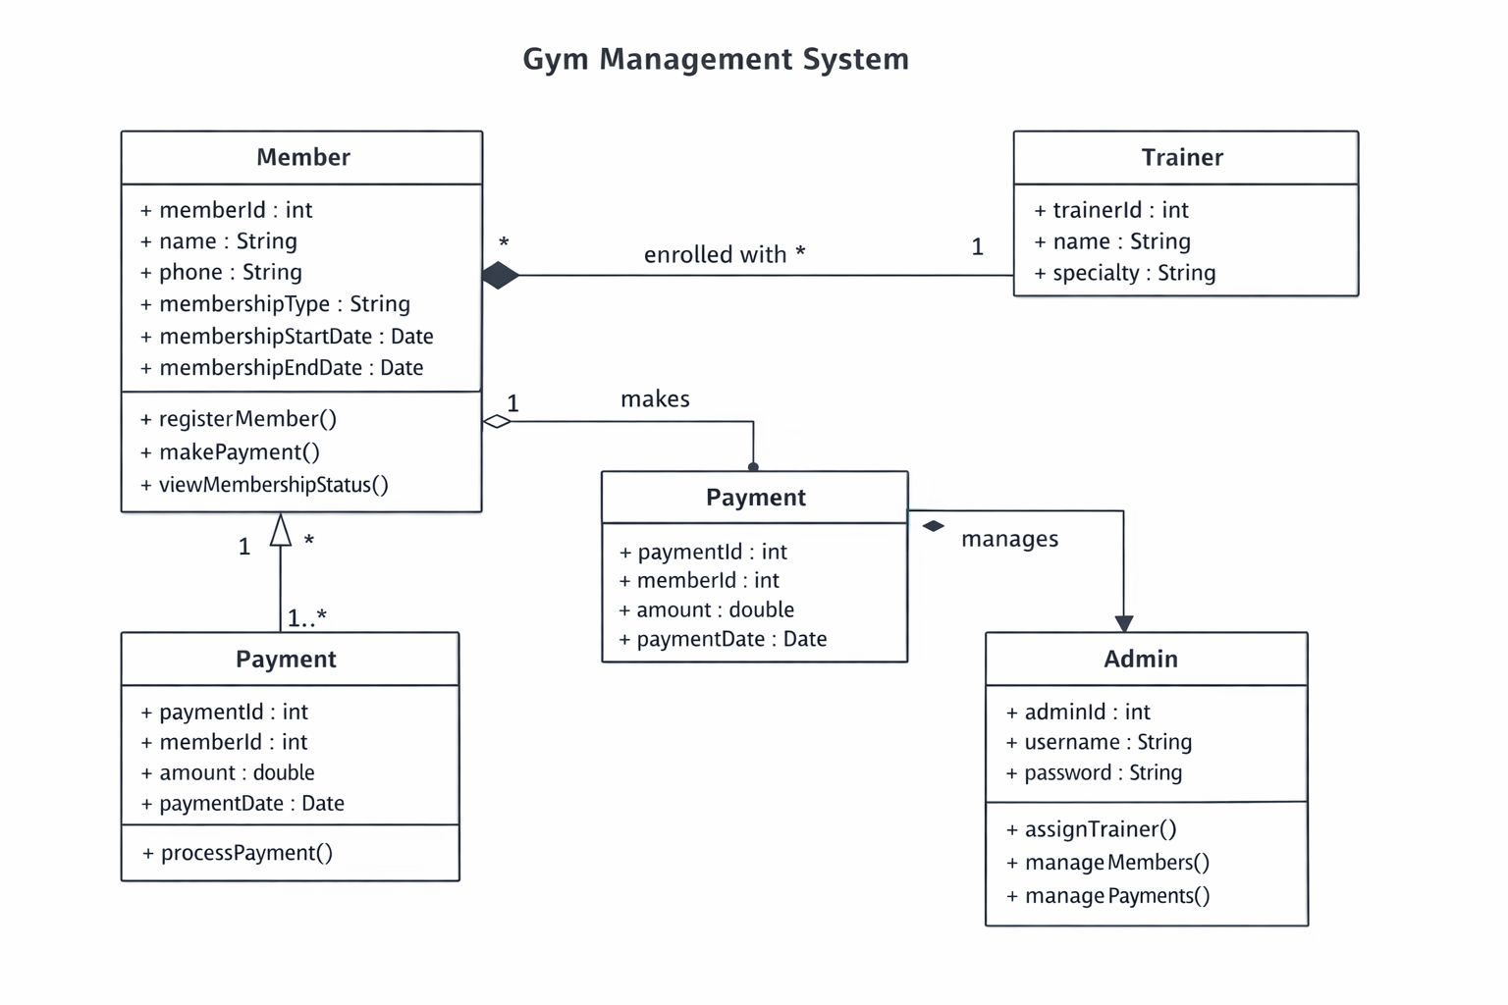
Gym Management System

Group Member Names | Member Roles | Project Overview | Week | Timeline (6-Week) | Budget Planning
Bengü Kalay | UML Design, project setup | GYM Management System is a software project developed to manage gym members, trainers, payments, and membership tracking. | 1 | Project analysis & requirements |  | Duration | People
Esra Sütcü | Requirement analysis, project setup |  | 2 | UML diagrams | Analysis | 1 week | 3
Elif Renkgören | Member CRUD operations, project setup |  | 3 | Database design | Backend | 2 week | 3
 |  |  | 4 | Backend development | Frontend | 2 week | 3
 |  |  | 5 | Frontend development | Testing | 1 week | 3
 |  |  | 6 | Testing & bug fixing

UML Diagram

